FY24 RMP AOI 1 Budget
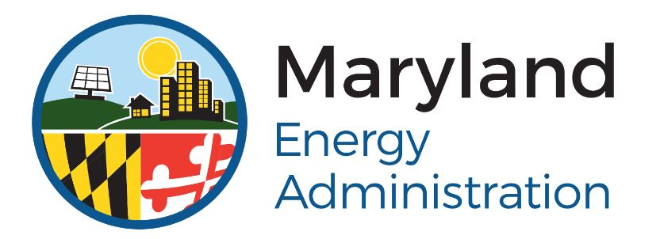 Maryland Energy Administration FY2024 Resilient Maryland Program Area of Interest 2: Capital Support PROJECT BUDGET
Wes Moore, Governor Aruna Miller, Lt. Governor Paul G. Pinsky, Director

Instructions: Fill out this budget table to the best of your knowledge and ability. Estimations are acceptable. Add lines in the tables where needed. Be sure to account for the total project cost, which includes the requested MEA Resilient Maryland grant and all other sources and uses of funds. Submit this budget with your application package in accordance with the instructions in the FY24 Resilient Maryland AOI 2 Funding Opportunity Announcement (FOA).

Applicant Name:
Point of Contact: |  | Email:
Title: |  | Phone*:
 |  | *Don't enter parenthases, dashes, or periods. Field will auto-format.

FUNDING SOURCES
Source | Amount |  | Percentage of Source Funds
MEA Resilient Maryland Grant | $- |  | 0.0%
 | $- |  | 0.0%
 | $- |  | 0.0%
 | $- |  | 0.0%
 | $- |  | 0.0%
 | $- |  | 0.0%
TOTAL | $- |  | 0.0%

FUNDING USES
Use | Amount |  | Percentage of Source Funds
Contractor Procurement | $- |  | 0.0%
Wages & Salaries | $- |  | 0.0%
Administrative Costs | $- |  | 0.0%
Final Engineering | $- |  | 0.0%
Groundbreaking | $- |  | 0.0%
Construction / Installation | $- |  | 0.0%
Commissioning | $- |  | 0.0%
Interconnection / Utility Fees | $- |  | 0.0%
TOTAL | $- |  | 0.0%

