Higher Education Clean Energy G
Wes Moore, Governor Aruna Miller, Lt. Governor Paul G. Pinsky, Director
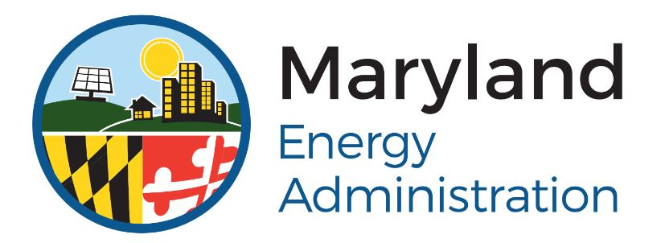 Maryland Energy Administration FY25 Higher Education Clean Energy Grant Pilot Program PROJECT BUDGET

Instructions: Fill out this budget table to the best of your knowledge and ability. Estimations are acceptable. Add lines in the tables where needed. Be sure to account for the total project cost, which includes the requested MEA grant amount and all other sources and uses of funds. Submit this budget with your application package in accordance with the instructions in the Funding Opportunity Announcement (FOA).

Applicant Name:
Point of Contact: |  | Email:
Title: |  | Phone:

FUNDING SOURCES
Source | Amount |  | Percentage of Source Funds
MEA Higher Edu. Clean Energy Pilot | $- |  | 0.0%
Federal Leveraged Funds | $- |  | 0.0%
Other Leveraged Funds | $- |  | 0.0%
 | $- |  | 0.0%
 | $- |  | 0.0%
 | $- |  | 0.0%
TOTAL | $- |  | 0.0%

FUNDING USES
Use | Amount |  | Percentage of Source Funds
Contractor Procurement | $- |  | 0.0%
Wages & Salaries | $- |  | 0.0%
Solar Panel Procurment & Install | $- |  | 0.0%
Campus Clean Energy Master Plan | $- |  | 0.0%
Cat. 1 Clean Energy Sector Training Program | OPTIONAL |  | 0.0%
Student Internship Bonus | OPTIONAL |  | 0.0%
Other | $- |  | 0.0%
Other | $- |  | 0.0%
TOTAL | $- |  | 0.0%

